Entity Arch
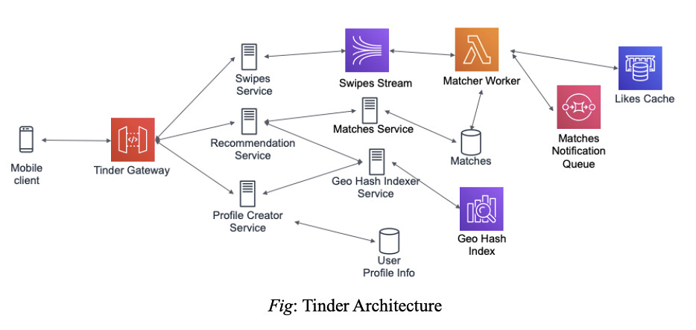
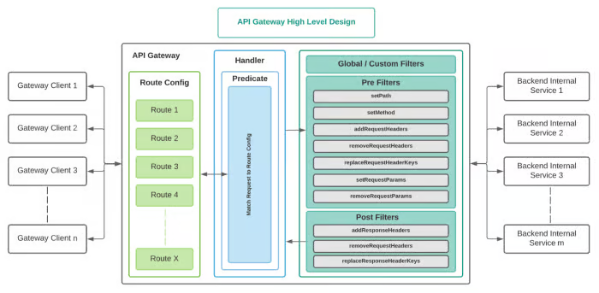
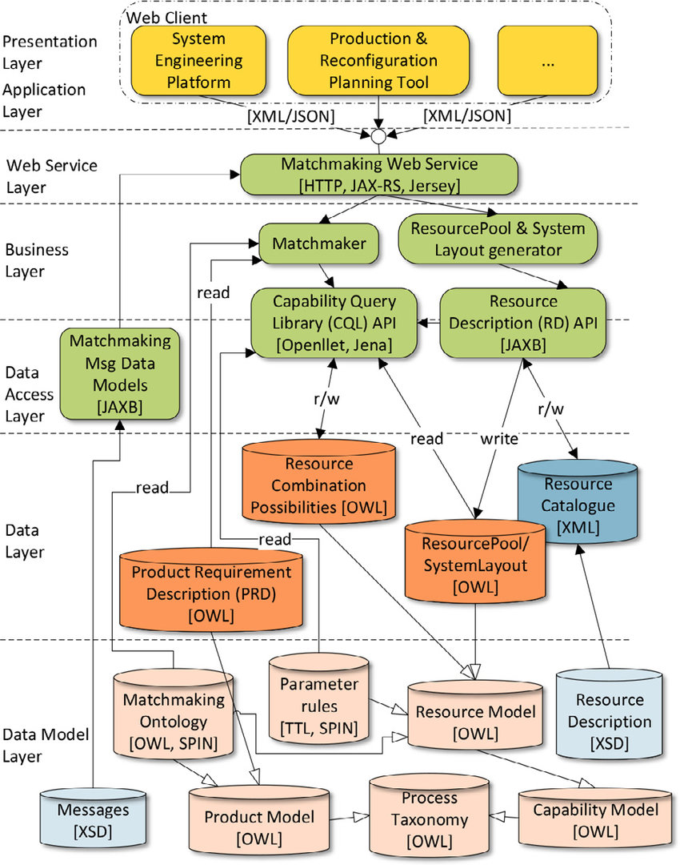
Basic Prototype | Pure App User Arch

REGISTERED | ANONYMOUS_JOIN
↓ | ↓
VERIFIED (Phone + Photos) | INTENT_POSTED (expires in 24h)
↓ | ↓
ACTIVE | CHAT_ACTIVE (1:1 only)
↓ | ↓
MATCHED | CONNECTION_EXPIRED
↓ | ↓
ENGAGED (Meaningful chat) | USER_GHOSTED (soft reset)
↓
PAUSED / INACTIVE / BANNED

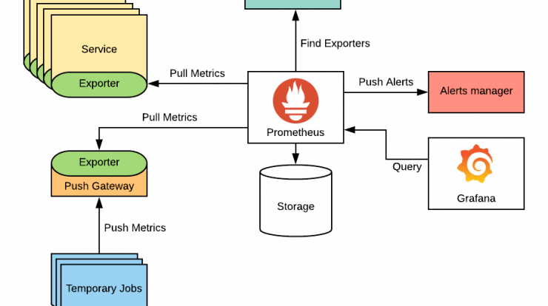

 | Aspect | PURE | Traditional Dating Apps
9. Chat Architecture (User Behavior Shaping) | Identity | Anonymous | Persistent
Chat Rules | Profiles | None | Mandatory
1:1 only | Matches | Temporary | Permanent
No screenshots (detected heuristically) | Chat | Time-limited | Unlimited
No forwarding | User Value | Presence | Popularity
Auto-expire | Abuse Control | Rate + Visibility | Moderation-heavy
Media locked behind trust

